Coverpage
Official Template
Certification Application Form (CAF) - Supply Chain Certification
Version | 2.1
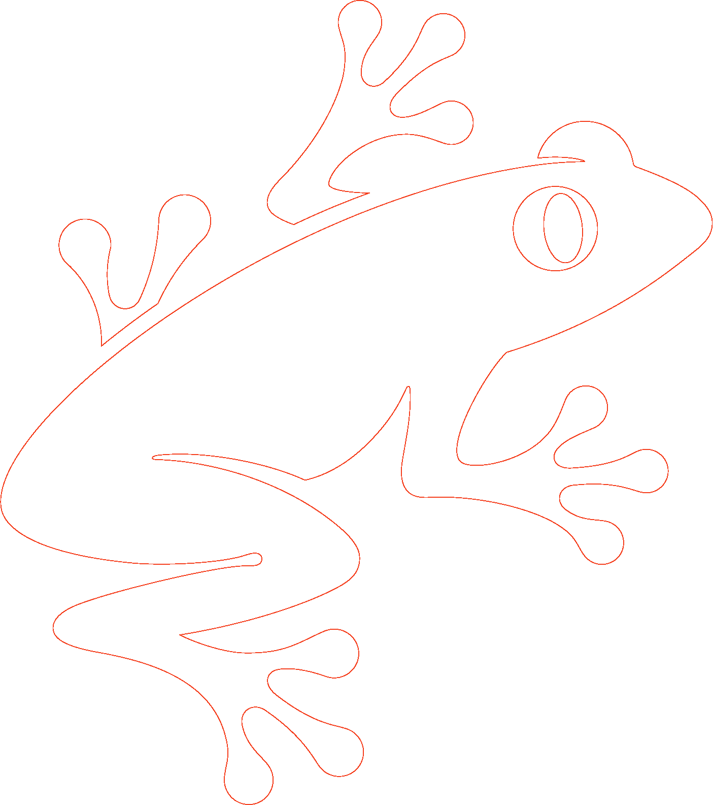
 |  | Translation Disclaimer
 |  | For any question related to the precise meaning of the information contained in the translation, please refer to the official English version for clarification. Any discrepancies or differences in meaning due to translation are not binding and have no effect for auditing or certification purposes.

 |  | More information?
 |  | For more information about the Rainforest Alliance, visit www.rainforest-alliance.org or contact info@ra.org

 |  | Document Name: |  | Document Code: | Version:
 |  | Certification Application Form (CAF) - Supply Chain Certification |  | SA-F-GA-5-V2.1 | 2.1
 |  | Date of first publication: | Date of revision: | Valid From: | Expires by:
 |  | 2021-06-07 | 2023-08-01 | 2023-09-01 | Until further notice
 |  | Developed by: |  | Approved by:
 |  | Rainforest Alliance Department Standards and Assurance |  | Senior Director, Standards and Assurance
 |  | Linked to:
 |  | SA-S-SD-2-V1.3 Rainforest Alliance 2020 Sustainable Agriculture Standard, Supply Chain requirements SA-R-GA-1-V1.3 Rainforest Alliance 2020 Certification and Auditing Rules

 |  | Replaces:
 |  | N/A
 |  | Applicable to:
 |  | Supply Chain Certificate Holders and Certification Bodies
 |  | Country/Region:
 |  | All
 |  | Crop: |  | Type of Certification:
© 2022 Rainforest Alliance. All rights reserved. |  | All crops in the scope of the Rainforest Alliance certification system; please see Certification Rules. |  | Individual and Multisite certification options.

SA-F-GA-5-V2.1
 |  | Any use of this content including reproduction, modification, distribution or republication, without the prior written consent of Rainforest Alliance is strictly prohibited.

